Background & Instructions
PURPOSE, BACKGROUND, INSTRUCTIONS
Grower Decision Support Tool for Conversion to a Chestnut Orchard System
An Evaluation of the Profitability of Chestnuts versus a "defender" crop
PURPOSE
1 | Provide an economic analysis of the potential for Chestnut orchard system compared to conventional tart cherry production.
2 | Develop an economic decision support tool for individual growers to compare potential benefits to their operation from Chestnut orchard systems versus other competeing crops such as cherries and apples. The program can also be use to compare different chestnut growing systems.

BACKGROUND
● | As part of a larger Michigan State University research initiative, this project evaluates the profitability of various orchard systems in Michigan and the expected profitability of a Chestnut orchard system.

● | This program is supported in part by Project GREEEN.

● | The output of this research includes a Michigan State University Extension Fact Sheet that documents the supporting parameters used in the economic analysis. |  | Version 1-6-13


DISCLAIMER
 | Any decisions made with the assistance of this decision support tool, are made at the risk of the user.

INSTRUCTIONS
Cells in | light blue | may be modified without disrupting formulas.
Tab Title | Description
Chestnut Orchard Model | The model first calculates the sum of the future annual cash flows (gross revenues less cash outflow requirements) over the chestnut orchards economic life in terms of their present values. The future net cash flow values are discounted (converted) to their current values using an estimated target rate of return as a discount factor. Then the model transforms the sum of the discounted (converted) cash flows over the economic life into an average annual net return. Blue cells next to the calculation (Price, Target Rate of Return, Yield at Full Production) may be modified to adjust the chestnut orchard model. Cells that are not blue contain formulas. Some of the non-blue cells may be modified by changing information in either the Chestnut Cost to establish, Chestnut Cost Per Acre, or Chestnut Machinery Cost tabs.

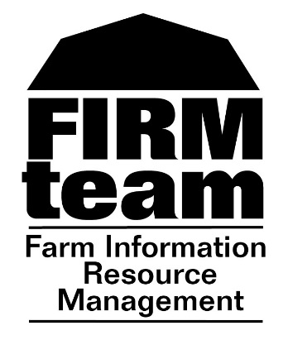

Defender Orchard Model | The Chestnut orchard, over its economic life, must generate an annual cash flow that covers the annual net return of the defender orchard plus an annual dollar premium, if needed, to cover the uncertainty of certain parameters of the chestnut orchard system. The blue cell next to the calculation (Annual Dollar Premium) may be modified to a higher or lower dollar amount to account for the uncertainty of the Chestnut orchard system. The cell outlined in red (Yield at Full Production) is the value that you will SOLVE for in the analysis. Cells that are not blue contain formulas. Some of the non-blue cells may be modified by changing information in either the Defender Cost to Establish, Defender Cost Per Acre, or defender Machinery Cost tabs.

INSTRUCTIONAL STEPS
Step 1 | Review and update, if necessary, the cost of production tabs, Chestnut Cost to Establish, Chestnut Cost Per Acre, Chestnut Machinery Cost, Defender Cost to Establish, Defender Cost Per Acre, and Defender Machinery Cost to your operations effective costs. Do the costs you input, now reflect your existing defender orchard costs to establish and annual cost per acre? Do the cost for the Chestnut orchard system reflect your best estimate of the cost to establish and the annual cost per acre?

Step 2 | Review and update, if necessary, the blue cells (Price, Target Rate of Return, and Yield at Full Production) in the Chestnut Orchard Model tab. The values you input should reflect your expected average price per pound over the life of the orchard, your expected or desired percentage return rate, and your average yield during full production.

Step 3 | Review and update, if necessary, the blue cell (Annual Dollar Premium) in the Chestnut Orchard Model tab. If you are highly uncertain of the parameters of the Chestnut orchard system then increase the dollar value from its initial value of $50/Acre. If you are less concerned over the uncertain parameters of the Chestnut orchard system, leave the $50/Acre value in place or decrease the value.

Step 4 | To solve for comparative break-even yield at full production for the Chestnut orchard system, make sure you are within the Chestnut Orchard Model tab. Place your cursor on the yellow cell L28 and click the cursor once. Next click on the Data tab along the top of your screen. While you are still in the Datatab click on the drop down icon called "What-If Analysis".Within the drop down list of the "What-If Analysis", select the icon called "Goal Seek".

Step 5 | After you have click on the "Goal Seek" icon, a pop up table entitled "Goal Seek" should appear on your screen. If everything is working correctly, there should be three input boxes with the top one, "Set Cell",already filled in for you with L28. If the input box next to "Set Cell" is not filled in, place your cursor in the input box to the right of "Set Cell", click once and then move your cursor to the yellow cell L28 and click once. If the input box next to "Set Cell" is filled in with L28, place your cursor in the input box to the right of "To Value" and enter a 0. Then place you cursor in the input box to the right of "By Changing Cell" and click once. Then move your cursor to the cell outline in red, U5 and click once. The input box to the right of "By Changing Cell" should now have a U5 in it.

Step 6 | You are now ready to calculate the comparative break-even yield at full production for your Chestnut orchard system. Click "Okay" and within the "Goal Seek" pop up table and click "Okay" again when a second "Goal Seek" icon appears. Now move to the Analysis & Interpretation Tab for a better understanding of what your results mean.

Step 7 | You can also use this same process to solve for other parameters. You can choose different years, and choose either price or yield to solve for. "Rate of return" can be solved for given specific yields and prices. Be careful in changing cells that have formulas as you will effect the relationships between the chestnut orchard model and the defender orchard model.

Analysis & Interpretation
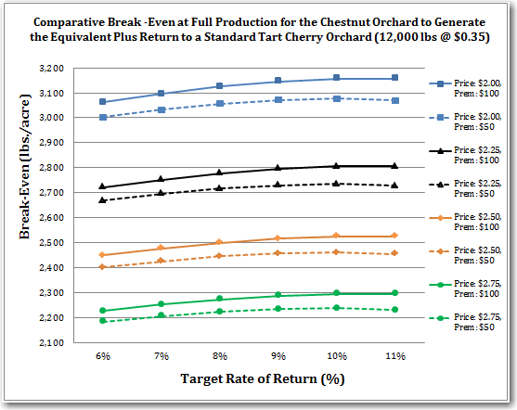
ANALYSIS & INTERPRETATION

UNDERSTANDING YOUR RESULT
● | The decision to transition from a "defender" orchard to a Chestnut orchard is dependent upon the ability to obtain a certain level of production and price that maintains your existing annual net return, while also compensating you for the additional risk associated with the lack of experience of utilizing the Chestnut system. If the overall return with the Chestnut orchard system is equivalent to the return of the "defender" orchard system and you receive an additional dollar amount as compensation for the risk, will your fixed resource, an orchard site, be bid away from the "defender" orchard system and planted to a Chestnut orchard system?

INTERPRETATION
● | Once you have completed the step by step instructions on how to calculate your comparative break-even yield and price at full production, you should have a yield per acre value in cell U5 and a price in cell U3 of the Chestnuts Orchard Model tab to assist in your decision on whether or not to transition to a Chestnut orchard system. The question you must ask yourself is, "will I be able to obtain this yield per acre and price at full production with a Chestnut orchard system?" You will also want to compare various yield senarios along with various prices of both the "defender" crop and various prices and yields of Chestnuts. What is the long term market outlook for both crop's prices?

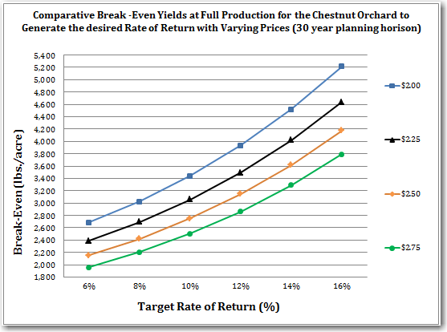
PARAMETER UNCERTAINTY
● | Although the initial assumptions are based on the data available for a chestnut orchard system, there is and should be some disagreement among stakeholders on the parameters assumed and results obtained. For this reason and others, this excel based decision support tool is flexible in that an individual grower may modify the assumptions described and determine for their own operation what the results need to be in order to obtain a comparative break-even and maintain profitability.

● | With the uncertainty surrounding the full production potential of the chestnut orchard system, this model assumes a range of yields that are plausible and solves for the comparative break-even yield necessary to bid the fixed resource away from the Defender orchard system.

● | There is an additional level of capital investment required with a chestnuts orchard system. It is possible to examine the capital cost to transition by determining the amortization cost of the new capital, allocating these costs over the bearing acres of chestnuts, and including that cost in the estimated average annual cost per acre.

